Sheet1
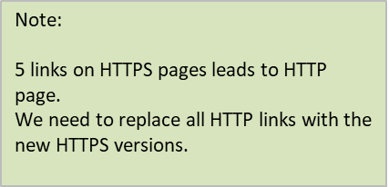
https://www.meetauto.ca/ | http://www.meetauto.ca/users/register
https://www.meetauto.ca/Users/login | http://www.meetauto.ca/users/register
https://www.meetauto.ca/dealer/users/login | http://www.meetauto.ca/dealer/users/register
https://www.meetauto.ca/users/login | http://www.meetauto.ca/users/register
https://www.meetauto.ca/users/register | http://www.meetauto.ca/dealer/users/register

